Defect Report - Case Study
Defect ID | Defect Description | Steps to Reproduce | Priority | Severity | Status | Created By | Assigned To | Screenshot
1 | Registration fails after entering valid details and clicking the Next button. | 1. Open the Rock Solid Church Demo website. 2. Navigate to the Registration page. 3. Enter valid details in all mandatory fields. 4. Click the Next button. 5. Observe the displayed page. | High | Major | New | Dongeshwar Sudhiksha | Raghavendra BN
2 | First Name and Last Name fields accept numeric and special characters during registration. | 1. Open the nopCommerce demo store. 2. Click Register. 3. Enter numeric or special characters in the First Name field. 4. Enter numeric or special characters in the Last Name field. 5. Enter valid details in the remaining mandatory fields. 6. Click Register. 7. Observe the result. | Medium | Major | New | Dongeshwar Sudhiksha | Raghavendra BN | 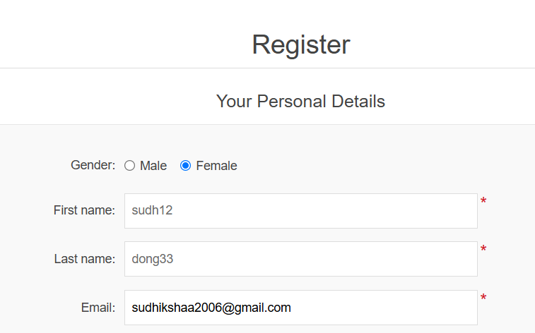 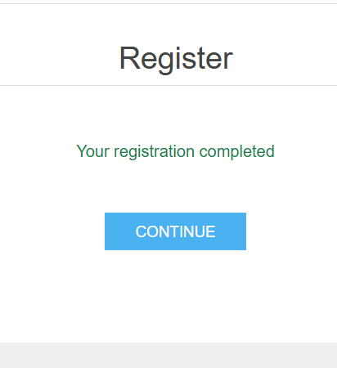
3 | Contact form accepts and submits empty mandatory fields | 1.Open https://www.demoblaze.com/. 2.Click Contact. 3.Leave all contact fields empty. 4.Click Send message. 5.Observe the message displayed. | High | Major | New | Dongeshwar Sudhiksha | Raghavendra BN
4 | Registration accepts alphabetic characters in the telephone/mobile number field | 1.Open https://tutorialsninja.com/demo/. 2.Navigate to My Account → Register. 3.Enter valid details in the required fields. 4.Enter alphabetic characters such as abcdef in the 5.Telephone field. 6.Click Continue. 7.Observe the registration result. | High | Major | New | Dongeshwar Sudhiksha | Raghavendra BN
5 | Home button logs the user out of the account instead of returning the user to the home page. | 1. Open the GlobalSQA Banking Project website. 2. Click Customer Login. 3. Select a customer and click Login. 4. Click the Home button. 5. Observe the result. | High | Major | New | Dongeshwar Sudhiksha | Raghavendra BN

